summary
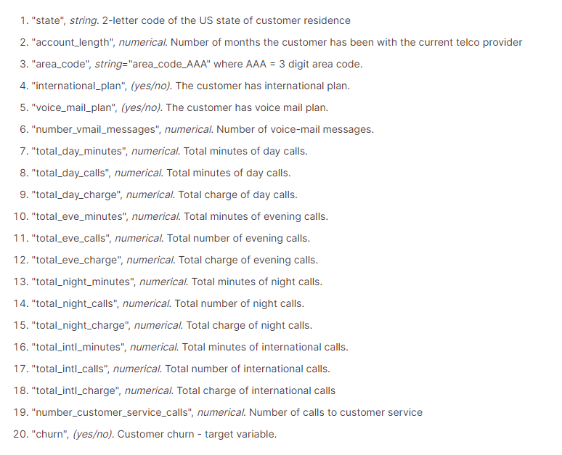
Project Overview: This project was completed to analyze churn data from a telecommunications company. The goal of this exploratory analyis was to identify trends in consumer behavior and identify factors influencing customer churn. The original data contains information on customer usage for day, evening, night, and international calls. See column descriptions to the right and the original data tab. The original data was cleaned and modified into the clean data tab. Additional columns were added to gather further insights into the data and make it more usable for analysis. | Columns Added
 | account_length_years
 | account_bins_years
 | voice_plan_numeric
 | churn_numerical
 | customer_count
 | day_charge_per_min
 | eve_charge_per_min
 | night_charge_per_min
 | intl_charge_per_min

Primary Insights: 1) Call Length and Charges Customers who churned on average spent longer time on their calls than retained customers. Average daily minutes were higher leading to increased charges to the churned customers. This indicates possible dissatisfaction with pricing. Consider offering more competitive pricing plans that cater to heavy users of call minutes, potentially introducing packages with discounted rates for higher usage. 2) International Plans There was a high churn rate in the international plan subscribers at an overall rate of 42%. After further analysis, the charge per minute for the international plan appears to be the same for those not subscribed. This suggests that despite paying for additional services, international subscribers were subject to the same per-minute charges and therefore dissatisfied with the plan seeing that it provides no immediate benefit. Explore options such as flat-rate international calling plans or discounted per-minute rates for subscribers to make the international plans more attractive and cost-effective.

Primary Challenges and Solutions: 1) Calculating Churn Rates Adding in churn rate calculations to each pivot table in the EDA tabs proved difficult with no churn rate data in the original data set. I wanted to provide a way to easily add this to each new pivot table I created here so that it could all be linked later in the dashboard. Solution: Added customer_count column in the clean data tab to then be able to add a calculated field to each pivot table where the churn numerical data could be divided easily by the count of the cusomers in this new column. 2) Formatting Top Churn Rates I wanted to add a chart in the dashboard showing the states with the highest churn rate but when adjusting the data using slicers, errors were showing up in the chart. Solution: I moved the top 5 state churn rates pivot table to the bottom of the EDA-1 tab and then created linking formulas to the side that would pull in the top 5 states no matter how I sliced the data in the dashboard. Used index match.

Methods and Formulas: 1) Pivot Tables - The EDA-1 and EDA-2 tabs contain all the pivot tables created to make the dashboard and answer my primary questions listed in the questions tab. 2) Visualization - The dashboard shows various types of charts used to visualize the data such as donut charts, column and bar charts, and treemaps. 3) Slicers - Added slicers to the dashboard to filter the data based on state, subscription length, and area code. 4) Formulas - mean, median, st dev, min, max, index match, if, left, trim

Dashboard Summary: 1) Top 5 Churn Rates by State - shows the top 5 states with the highest churn rates. 2) Voicemail and Non Voicemail Plan - donut charts that show the churn rates between subscribers and non-subscribers and distribution. 3) Intl and Non Intl Plan - donut charts that show the churn rates between subscribers and non-subscribers and distribution. 4) Churned vs Retained Customers - donut chart that shows the overall distribution of churned and retained customers. 5) Average Customer Service Calls - treemap that shows the average customer service calls for churned and retained customers. 6) Average Total Charge - column chart that shows the average total charge for the usage of churned and retained customers. It shows the average amounts for day, evening, night, and international calls. 7) Average Total Minutes - column chart that shows the average total minutes spent on day, evening, night, and international calls. 8) Filter Panel - contains slicers that will filter the data based on state, active subscription years, and area code.

Dashboard
Churn Analysis Dashboard

Top 5 Churn Rates by State
Voicemail Plan
International Plan
Churned vs Retained Customers
Overall Churn Rate

 | Churn Rate
NJ | 27.1%
CA | 25.6%
WA | 22.5%
MD | 22.1%
MT | 21.3%
Churned | 82
Retained | 1,030
Churn Rate
Churned | 167
Retained | 229
Churn Rate
Churned | 598
Retained | 3,652
14.1%

1,112
7.4%
396
42.2%

4,250

Non Voicemail Plan
Non International Plan
Total Customers

Churned | 516
Retained | 2,622
Churn Rate
Churned | 431
Retained | 3,423
Churn Rate
4,250

3,138
16.4%
3,854
11.2%

Filter Panel
Average Customer Service Calls
Average Total Charge
Average Total Minutes

 | Average Day Charge | Average Evening Charge | Average Night Charge | Average International Charge
Retained | $29.84 | $16.88 | $8.98 | $2.75
Churned | $35.53 | $17.85 | $9.29 | $2.87
 | Average Day Minutes | Average Evening Minutes | Average Night Minutes | Average International Minutes
Retained | 176 | 199 | 200 | 10
Churned | 209 | 210 | 206 | 11

